PopulationReport
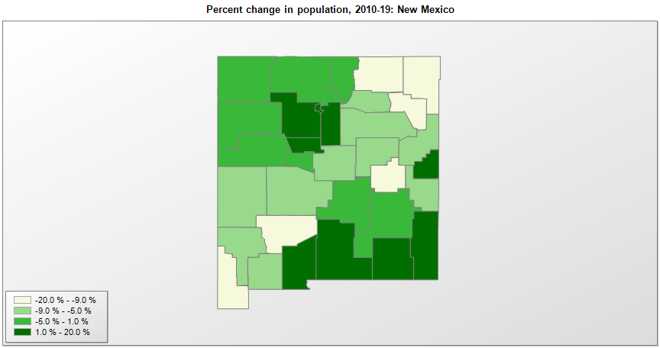

FIPS* | County name | RUC code | Pop. 1990 | Pop. 2000 | Pop. 2010 | Pop. 2019 | Change 2010-19
35000 | New Mexico |  | 1,515,069 | 1,819,017 | 2,059,199 | 2,096,829 | 1.8%
35001 | Bernalillo County | 2 | 480,577 | 556,120 | 662,477 | 679,121 | 2.5%
35003 | Catron County | 9 | 2,563 | 3,538 | 3,727 | 3,527 | -5.4%
35005 | Chaves County | 5 | 57,849 | 61,373 | 65,648 | 64,615 | -1.6%
35006 | Cibola County | 6 | 23,794 | 25,588 | 27,215 | 26,675 | -2.0%
35007 | Colfax County | 7 | 12,925 | 14,191 | 13,751 | 11,941 | -13.2%
35009 | Curry County | 5 | 42,207 | 45,050 | 48,376 | 48,954 | 1.2%
35011 | De Baca County | 9 | 2,252 | 2,240 | 2,024 | 1,748 | -13.6%
35013 | Doña Ana County | 3 | 135,510 | 174,880 | 209,217 | 218,195 | 4.3%
35015 | Eddy County | 5 | 48,605 | 51,633 | 53,828 | 58,460 | 8.6%
35017 | Grant County | 7 | 27,676 | 31,004 | 29,512 | 26,998 | -8.5%
35019 | Guadalupe County | 7 | 4,156 | 4,677 | 4,688 | 4,300 | -8.3%
35021 | Harding County | 9 | 987 | 807 | 695 | 625 | -10.1%
35023 | Hidalgo County | 9 | 5,958 | 5,930 | 4,898 | 4,198 | -14.3%
35025 | Lea County | 5 | 55,765 | 55,528 | 64,726 | 71,070 | 9.8%
35027 | Lincoln County | 7 | 12,219 | 19,374 | 20,493 | 19,572 | -4.5%
35028 | Los Alamos County | 6 | 18,115 | 18,347 | 17,950 | 19,369 | 7.9%
35029 | Luna County | 6 | 18,110 | 24,986 | 25,095 | 23,709 | -5.5%
35031 | McKinley County | 5 | 60,686 | 74,795 | 71,485 | 71,367 | -0.2%
35033 | Mora County | 9 | 4,264 | 5,178 | 4,881 | 4,521 | -7.4%
35035 | Otero County | 4 | 51,928 | 62,195 | 63,832 | 67,490 | 5.7%
35037 | Quay County | 7 | 10,823 | 10,088 | 9,040 | 8,253 | -8.7%
35039 | Rio Arriba County | 4 | 34,365 | 41,171 | 40,220 | 38,921 | -3.2%
35041 | Roosevelt County | 7 | 16,702 | 18,022 | 19,840 | 18,500 | -6.8%
35043 | Sandoval County | 2 | 63,319 | 90,546 | 131,621 | 146,748 | 11.5%
35045 | San Juan County | 3 | 91,605 | 113,812 | 130,045 | 123,958 | -4.7%
35047 | San Miguel County | 6 | 25,743 | 30,089 | 29,375 | 27,277 | -7.1%
35049 | Santa Fe County | 3 | 98,928 | 129,304 | 144,232 | 150,358 | 4.2%
35051 | Sierra County | 6 | 9,912 | 13,261 | 11,996 | 10,791 | -10.0%
35053 | Socorro County | 6 | 14,764 | 18,056 | 17,861 | 16,637 | -6.9%
35055 | Taos County | 7 | 23,118 | 29,981 | 32,933 | 32,723 | -0.6%
35057 | Torrance County | 2 | 10,285 | 16,894 | 16,380 | 15,461 | -5.6%
35059 | Union County | 9 | 4,124 | 4,190 | 4,553 | 4,059 | -10.8%
35061 | Valencia County | 2 | 45,235 | 66,169 | 76,585 | 76,688 | 0.1%

Source: U.S. Census Bureau, 1990, 2000, and 2010 Censuses of Population (corrected), and 2019 County Total Population Estimates. 1) The FIPS codes uniquely identify each county and are part of the Federal Information Processing Standards (FIPS) developed by the National Institute of Standards and Technology (NIST), U.S. Department of Commerce. For more information, see the NIST FIPS publication page. 2) The 2013 rural-urban continuum codes classify metropolitan counties (codes 1 through 3) by size of the Metropolitan Statistical Area (MSA), and nonmetropolitan counties (codes 4 through 9) by degree of urbanization and proximity to metro areas. See rural-urban continuum codes for precise definitions of each code.

